L1
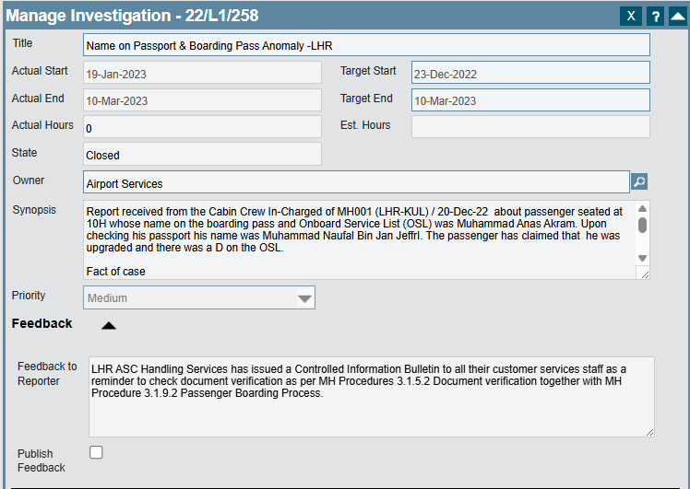
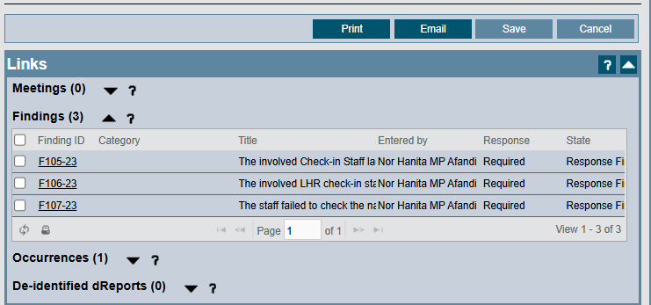
Safety (Manage Investigation) | Manage Investigator (Links - Findings) | FCA (Overview) | FCA (Categorisation) | FCA (Risk) | FCA (Response - Cause) | FCA (Response - Action)
Investigation ID | Findings ID | Location | Standard | Risk Level | Cause No ID | Action ID
22/L1/258 | F105-23 | Heathrow |  |  | 1 | A252-23
 | F106-23 | Heathrow |  |  | 1 | A253-23
 | F107-23 | Heathrow |  |  | 3 | A254-23
23/L1/197

